PivotTable-retailsales
Average of Total Sales |  | Product Category
Gender | Generation | Beauty | Clothing | Electronics | Grand Total
Female | Adult | 418.09 | 637.37 | 446.70 | 492.44
 | Senior | 384.81 | 411.23 | 493.89 | 429.73
 | Young Adult | 524.93 | 426.27 | 422.36 | 455.84
Female Total |  | 450.78 | 467.10 | 451.38 | 456.55
Male | Adult | 572.37 | 466.60 | 431.08 | 488.77
 | Senior | 343.29 | 379.05 | 504.71 | 422.43
 | Young Adult | 530.00 | 422.08 | 444.46 | 463.02
Male Total |  | 487.13 | 419.80 | 466.10 | 455.43
Grand Total |  | 467.48 | 443.25 | 458.79 | 456.00

Task 2
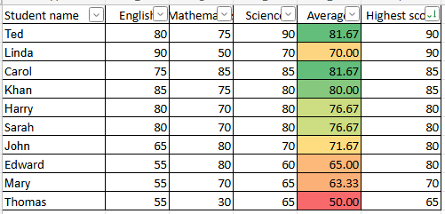
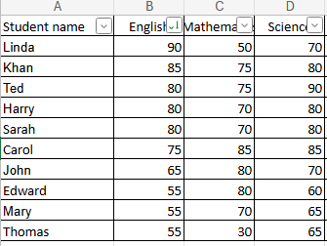
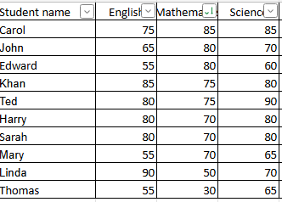
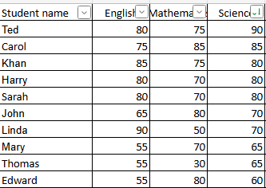
Student name | English | Mathematics | Science | Average | Highest score
Ted | 80 | 75 | 90 | 81.67 | 90
Linda | 90 | 50 | 70 | 70.00 | 90
Carol | 75 | 85 | 85 | 81.67 | 85
Khan | 85 | 75 | 80 | 80.00 | 85
Harry | 80 | 70 | 80 | 76.67 | 80
Sarah | 80 | 70 | 80 | 76.67 | 80
John | 65 | 80 | 70 | 71.67 | 80
Edward | 55 | 80 | 60 | 65.00 | 80
Mary | 55 | 70 | 65 | 63.33 | 70
Thomas | 55 | 30 | 65 | 50.00 | 65
Task
1) Apply filter and sorting to show the best students in each subject.
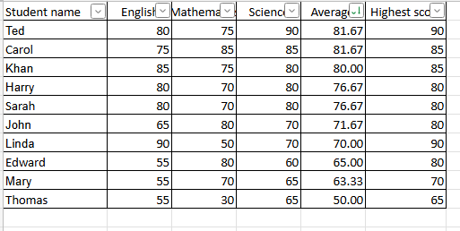
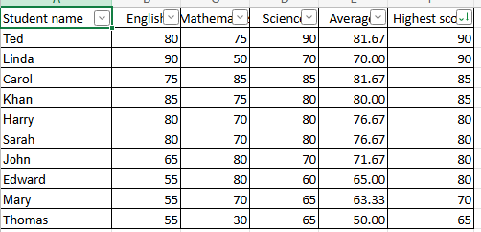
2) Calculate the average for all students and fill into Column E. (Use formula)
3) Using the =MAX fucntion, tell me what the students highest score was in column F.
4) Apply filter and sorting to show the best student in this classroom by average.
5) Apply filter and sorting to show the best student in this classroom by highest score.
6) Use conditional formatting to clearly identify the highest and lowest average scores

